iii. Piping Data CGS 1
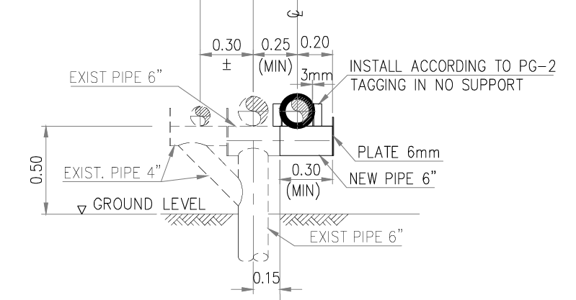
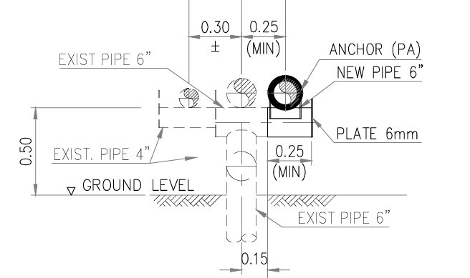
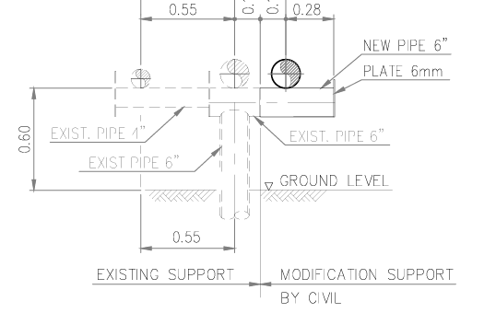
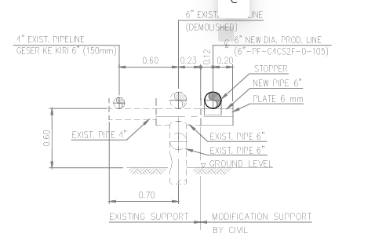
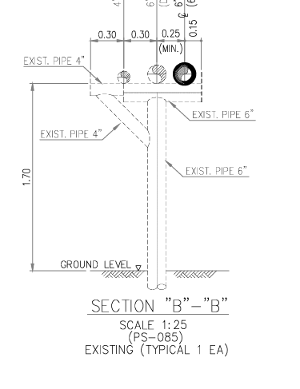
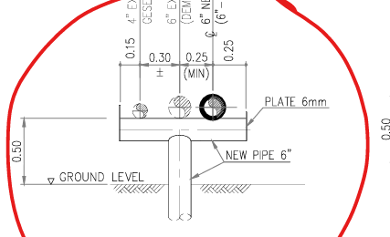
 |  |  |  |  |  |  |  |  |  |  |  |  |  |  |  |  |  |  |  |  |  |  |  |  |  |  |  |  |  |  |  |  |  |  |  |  | NPS | Out Dia | Out Dia | In Dia
 |  |  |  |  |  |  |  |  |  |  |  |  |  |  |  |  |  |  |  |  |  |  |  |  |  |  |  |  |  |  | (in) | (mm) | (kg/m) | (kg/m) | (kg/m) |  |  | (in) | (mm) | (mm)
 |  |  |  |  |  |  |  |  |  |  |  |  |  |  |  |  |  |  |  |  |  |  |  |  |  |  |  |  | 1 | 0.5 | 0.840 | 15.80 | 1.27 | 0.20 | 1.47 |  | 1/2 | 0.840 | 21.34 | 15.80
 |  |  |  |  |  |  |  |  |  |  |  |  |  |  |  |  |  |  |  |  |  |  |  |  |  |  |  |  | 2 | 0.75 | 1.050 | 20.93 | 1.68 | 0.34 | 2.02 |  | 3/4 | 1.050 | 26.67 | 20.93
 |  |  |  |  |  |  |  |  |  |  |  |  |  |  |  |  |  |  |  |  |  |  |  |  |  |  |  |  | 3 | 1 | 1.315 | 26.64 | 2.50 | 0.56 | 3.06 |  | 1 | 1.315 | 33.40 | 26.64
 |  |  |  |  |  |  |  |  |  |  |  |  |  |  |  |  |  |  |  |  |  |  |  |  |  |  |  |  | 4 | 1.5 | 1.900 | 40.90 | 4.05 | 1.31 | 5.36 |  | 1.5 | 1.900 | 48.26 | 40.90
 |  |  |  |  |  |  |  |  |  |  |  |  |  |  |  |  |  |  |  |  |  |  |  |  |  |  |  |  | 5 | 2 | 2.375 | 52.51 | 5.44 | 2.17 | 7.61 |  | 2 | 2.375 | 60 | 52.51
 |  |  |  |  |  |  |  |  |  |  |  |  |  |  |  |  |  |  |  |  |  |  |  |  |  |  |  |  | 6 | 2.5 | 2.875 | 62.71 | 8.63 | 3.09 | 11.72 |  | 2.5 | 2.875 | 73 | 62.71
 |  |  |  |  |  |  |  |  |  |  |  |  |  |  |  |  |  |  |  |  |  |  |  |  |  |  |  |  | 7 | 3 | 3.500 | 77.92 | 11.29 | 4.77 | 16.06 |  | 3 | 3.500 | 89 | 77.92
 |  |  |  |  |  |  |  |  |  |  |  |  |  |  |  |  |  |  |  |  |  |  |  |  |  |  |  |  | 8 | 4 | 4.500 | 102.26 | 16.08 | 8.21 | 24.29 |  | 4 | 4.500 | 114 | 102.26
 |  |  |  |  |  |  |  |  |  |  |  |  |  |  |  |  |  |  |  |  |  |  |  |  |  |  |  |  | 9 | 5 | 5.563 | 128.20 | 21.77 | 12.91 | 34.68 |  | 5 | 5.563 | 141 | 128.20
 |  |  |  |  |  |  |  |  |  |  |  |  |  |  |  |  |  |  |  |  |  |  |  |  |  |  |  |  | 10 | 6 | 6.625 | 154.08 | 28.27 | 18.64 | 46.91 |  | 6 | 6.625 | 168 | 154.08
 |  |  |  |  |  |  |  |  |  |  |  |  |  |  |  |  |  |  |  |  |  |  |  |  |  |  |  |  | 11 | 8 | 8.625 | 202.74 | 42.55 | 32.28 | 74.83 |  | 8 | 8.625 | 219 | 202.74
 |  |  |  |  |  |  |  |  |  |  |  |  |  |  |  |  |  |  |  |  |  |  |  |  |  |  |  |  | 12 | 10 | 10.750 | 254.51 | 60.31 | 50.87 | 111.18 |  | 10 | 10.750 | 273 | 254.51
 |  |  |  |  |  |  |  |  |  |  |  |  |  |  |  |  |  |  |  |  |  |  |  |  |  |  |  |  | 13 | 12 | 12.750 | 304.79 | 73.86 | 72.96 | 146.82 |  | 12 | 12.750 | 324 | 304.79
 |  |  |  |  |  |  |  |  |  |  |  |  |  |  |  |  |  |  |  |  |  |  |  |  |  |  |  |  | 14 | 14 | 14.000 | 333.34 | 93.23 | 87.27 | 180.496 |  | 14 | 14.000 | 356 | 333.34
 |  |  |  |  |  |  |  |  |  |  |  |  |  |  |  |  |  |  |  |  |  |  |  |  |  |  | 93.23 |  | 15 | 16 | 16.000 | 387.35 | 94.55 | 117.84 | 212.391 | ADA UPDATE!!! | 16 | 16.000 | 406 | 381.08
 |  |  |  |  |  |  |  |  |  |  |  |  |  |  |  |  |  |  |  |  |  |  |  |  |  |  |  |  | 16 | 18 | 18.000 | 438.15 | 105.16 | 150.78 | 255.936
 |  |  |  |  |  |  |  |  |  |  |  |  |  |  |  |  |  |  |  |  |  |  |  |  |  |  |  |  | 17 | 20 | 19.25 | 488.95 | 117.092 | 187.767 | 304.859 | pakai Inner Dia
 |  |  |  |  |  |  |  |  |  |  |  |  |  |  |  |  |  |  |  |  |  |  |  |  |  |  |  |  | 18 | 24 | 23.25 | 590.55 | 140.958 | 273.907 | 414.865
 |  |  |  |  |  |  |  |  |  |  |  |  |  |  |  |  |  |  |  |  |  |  |  |  |  |  |  |  |  | 30 | 30 | 742.9 | 178 | 434 | 612
 |  |  |  |  |  |  |  |  |  |  |  |  |  |  |  |  |  |  |  |  |  |  |  |  |  |  |  |  |  | 36 | 36 | 895.3 | 213 | 630 | 843

PIPING LOAD RESUME
 |  |  |  | sudah
 |  |  |  |  |  |  |  |  |  |  |  |  |  |  |  |  |  |  |  |  | 7.177600296
1 | 2 | 3 | 4 | 5 | 6 | 7 | 8 | 9 | 10 | 11 |  |  | 12 | 13 | 14 | 15 | 16 | 17 | 20 | 21 | 22 | 23 | 24 | 25 | 26 | 27
No | Support Type | Section | Support Condition | Support No. | Piping Line No. | Piping Status | GL | BOP | Height | NOS. | Panjang Pipa (m) |  | Max Span Length | Diameter pipe (inch) | Diameter pipe (mm) | Pipe Calculation | Pipe Weight | Pipe+Water Weight | Empty Load | Operating Load | Test Load | Thermal Load Lateral |  |  |  |  |  |  |  |  |  |  |  |  |  |  |  |  | DATA THERMAL 544
 |  |  |  |  |  |  |  |  |  |  | Sebelum | Setelah |  |  |  |  | Vertical (Fy) kN | Vertical (Fy) kN | Vertical (Fy) kN | Vertical (Fy) kN | Vertical (Fy) kN | 7.5% from Total Load | 30% from Max Dia. | CAESAR Fx, kN | Thermal (Fx), kN | Thermal Fz, kN |  |  |  |  |  |  |  |  |  |  |  |  | 47.69203424 | 47.69203424 | 5.0487024
1 | Type-1 | A | New | PS-01 | 20" Existing Pipe | Existing | +0.00 | +0.50 | +0.50 | 4 | 0.5 | 8 | 4.25 | 20 | 488.95 | Manual | 4.88 | 12.71 | 4.88 | 12.71 | 12.71 | 0.95 | 3.81 |  | 3.81 | 0.95 |  | 0.95327503931 | 0.95327503931 |  |  |  |  |  |  |  |  |  |  |  |  | beba pipa 6" new |  |  |  | beba pipa 6" new
 |  |  |  | PS-02 | 20" Existing Pipe | Existing | +0.00 | +0.50 | +0.50 |  | 8 | 8 | 8.00 | 20 | 488.95 | Manual | 9.19 | 23.93 | 9.19 | 23.93 | 23.93 | 1.79 | 7.18 |  | 7.18 | 1.79 |  | 1.794400074 | 1.794400074 |  |  |  |  |  |  |  |  |  |  |  |  | 4.75 | 4.96 | 1.12 | 2.35 | 4.34 | 4.59 | 1.42 | 0.39
 |  |  |  | PS-03 | 20" Existing Pipe | Existing | +0.00 | +0.50 | +0.50 |  | 8 | 5.1 | 6.55 | 20 | 488.95 | Manual | 7.52 | 19.59 | 7.52 | 19.59 | 19.59 | 1.47 | 5.88 |  | 5.88 | 1.47 |  | 1.4691650606 | 1.4691650606 |  |  |  |  |  |  |  |  |  |  |  |  | 3.20 | 3.47 | 0.60 | 1.85 | 4.99 | 5.30 | 1.19 | 0.05
 |  |  |  | PS-04 | 20" Existing Pipe | Existing | +0.00 | +0.50 | +0.50 |  | 5.1 | 8 | 6.55 | 20 | 488.95 | Manual | 7.52 | 19.59 | 7.52 | 19.59 | 19.59 | 1.47 | 5.88 |  | 5.88 | 1.47 |  | 0.053376 | #VALUE! |  |  |  |  |  |  |  |  |  |  |  |  | 4.67 | 4.92 | 1.39 | 1.79 | 4.40 | 4.61 | 0.87 | 0.02
 |  |  |  |  |  |  |  |  |  |  |  |  |  |  |  |  |  |  |  |  |  |  |  |  |  |  |  | 0 | 0 |  |  |  |  |  |  |  |  |  |  |  |  | 5.18 | 5.20 | 2.05 | 1.78 | 4.52 | 4.82 | 2.77 | 0.04

